Syntax
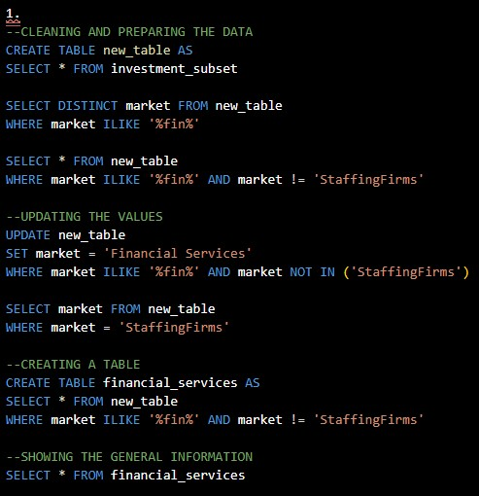

Syntax for Q#1: |  |  | Syntax for Q#4:

 |  |  |  | Explanation:
 |  |  |  |  | With this syntax, it will return the unusual total amount of funds that the company received.
 |  |  |  |  | The return of this syntax shows that the company has exceeded the total average fund amount in two countries.
 |  |  |  |  | Russia is on top of the list that helps the company reached it's peak for exceeding the total average amount by P5,800,000,000.
 |  |  |  |  | Russia was followed by US that exceeds the total average amount by $7,250,00,000.

 |  |  | Syntax for Q#5:

 | Explanation:
 |  | I started to prepare and clean the data by correcting the mispelled categories in the column of market.
 |  | From there, I created a table which specifically returns all the information about Financial Services.
 |  | In that way, the table will be look presentable and easy to understand.

Syntax for Q#2:

 | Explanation:
 |  | This syntax returns data that will help the company understand the amount of the investments.
 |  | This will return the average amount of investment coming in as well as the minum and maximum amount, over the years.
 |  | Hence, the company will be fully aware of it's financial capability.

Syntax for Q#3:

 | Explanation:
 |  | It is unusual for a financial services to receive equity crownfunding, however, the company is still able to receive over the years.
 |  | The result of this syntax will show the information of the equity crownfunding that the company received as well as;
 |  | what country it came from, the founded year, and even knowing whether it's still operating or not.

Follow up Answer for Q#5
Total Average Funds per Financing Source
 | Column Labels
Values | Financial Services
Equity Crowdfunding | $17,179,926
Undisclosed Sources | $166,757,716
Convertible Notes | $10,777,956.00
Debt Financing | $2,004,320,278
Private Equity | $3,536,415,992

 |  | Explanation:
 |  | This graph shows the amount of contribution per Financing Source.
 |  | Private Equity has a biggest role in the funds as the amount it contributes, reached more than 3 Billion Dollars.
 |  | It is followed by Debt Financing which provides 2 Billion Dollars in overall financing funds.
 |  | The rests were Undisclosed Sorces which gives more than 166 Million Dollars, more than 17 Million Dollars
 |  | for Equity Crowdfunding as expected, and Covertible Notes which has a share of more than 17 Million Dollars
 |  | in Financing Funds.

